Sheet1
Name of Paper / Date found | Number of subjects | Characteristics of subjects | Demographics (Age range would be great) | End point of the trial | Range of BP values seen? | Statistical validation | Type of sensors used, channels, signal acquisition (optic, ECG?) | Signal proc based or ML? | Controlled conditions? Hospital? Home? | Data points / length of recording | Accuracy | Denoising technique and detection technique? | Computational complexity of algorithms? | In a wearable context, is it possible?
Cuffless Blood Pressure Estimation from Electrocardiogram and Photoplethysmogram Using Waveform Based ANN-LSTM Network | 39 | Different age groups and sex. | 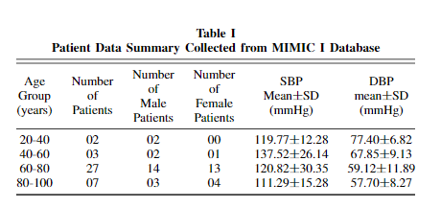 |  | See SBP and DBP values in table | Mean Absolute Error (MAE) and Root Mean Squared Error (RMSE) |  | ML | ICU patients | Physionet Multiparameter Intelligent Monitoring in Intensive Care (MIMIC) I database |  | Preprocessing: windowed signals are bandpass filtered using Tunable-Q wavelet transform (TQWT) . Provides all the advantages of wavelet denoising along with its tunability of the basis wavelet. | N/A for ML?
 |  |  |  |  |  |  |  | (ANN-LSTM)
 | (database actually has 93, but only patients with ECG+PPG+ABP recordings were selected) |  |  |  |  | Bland-Altman test, Pearson’s correlation test and boxplot analysis have also been performed on the data for short sequences (M= 10) |  |  |  | Sampling frequency - 125 Hz
 |  |  |  |  |  |  |  | The lower hierarchy level uses ANNs to learn the features from single instances of ECG and PPG waveforms concatenated together and the upper hierarchy LSTM level learns the temporal relations amongst the features extracted in the lower hierarchy level.

 |  |  |  |  |  |  |  | Compared with 3 other models (P-AdaBoost, W-AdaBoost, DeepRNN-4L)

Blood Pressure Estimation Using On-body Continuous Wave Radar and Photoplethysmogram in Various Posture and Exercise Conditions | Experimental data are collected from 43 subjects in various static postures and 26 subjects doing 6 different exercise tasks. | 52% male, 48% female | All between 40-65 years | Session 1 (of 2) consisted of measuring all signals for three different postures; six minutes of sitting, six minutes of standing and six minutes in the supine position. The procedures for Session 2 were as follows: |  | Cumulative Error Percentage (CEP) | ECG, PPG and CWR | Signal proc | Healthy volunteers |  | For 38 subjects participating in posture tasks, the best cumulative error percentage (CEP) is 92.28% and for 21 subjects participating in exercise tasks, the best CEP is 82.61% | Discrete Wavelet transform and adaptive filtering to remove noise from CWR signals | R-peak detection algorithm | Yes

 |  |  | Between 158 cm and 178 cm in height and weighed between 44 kg and 76 kg with no participants reported of any previous cardiovascular problems. | Holding handgrip for two minutes followed by a one-minute rest. |  | Bland-Altman (BA) plots |  | Continuous Wave Radar (CWR) |  |  |  |  | PEP extraction algorithm | The CWR sensors present a low-power, continuous and potentially wearable system with minimal body contact to monitor aortic valve mechanical activities directly.

 |  |  |  | Cycling with a fixed speed in three different bike resistant settings of light, moderate and heavy. Each cycle lasted for two minutes with a one-minute rest. |  |  |  |  |  |  |  |  |  | In the CWR sensors, the relation between PTT (extracting PEP from PAT) and BP has not been established. Further investigation is required to determine whether CWR, which can target central aortic pressure, is worth being pursued as a potential wearable technology.

 |  |  |  | Two recovery stages after the cycling tasks, during which subjects sat on the bike without any activity. |  |  |  |  |  |  |  |  |  | CWR can provide central elastic aorta monitoring, removing the peripheral vasomotion-induced inaccuracies, which requires higher quality in the design of CWR sensors for recordings and processing in future work.
Blood pressure estimation from photoplethysmogram and electrocardiogram signals using machine learning | 129 datasets were reserved for next step of signal pre-processing. These datasets contained complete ECG, PPG, and systolic and diastolic blood pressure values. |  | 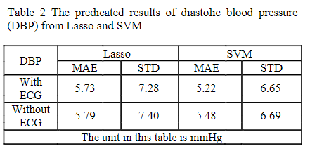 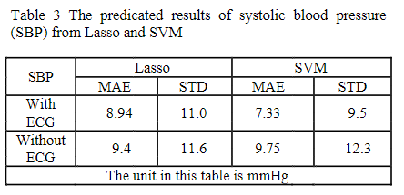 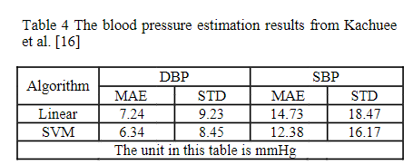 |  | Diastolic blood pressure ranges from 53 mmHg to 108mmHg and systolic blood pressure from 97 mmHg to 148 mmHg. | MAE and Standard Deviation (SD) | ECG, PPG | ML | Data collected in lab. | Sampling frequency - 256 Hz |  | 10 seconds of the duration of each signal was selected, starting from the 5thsecond, so as to eliminate the possible disturbance at the beginning of each recording.

Effect of PTT+PPG against PTT+PPG+ECG |  |  |  |  |  |  |  | 70% training, 30% testing | ECG signal was collected from surface electrodes adhered to subjects’ skin, meanwhile, PPG signal was measured from a NeXus-10 Mark II biofeedback monitor. | Length of the recordings ranged from 14 seconds to more than 1 minute. |  | For the ECG signal, the 4th Butterworth bandpass filter of 0.5-40 Hz was used to remove noise. For the PPG signal, the 4th Chebyshev II bandpass filter of 0.5-10 Hz was adopted to improve the signal quality index (SQI)

 |  |  |  |  |  |  |  | Lasso regression and support vector machine (SVM).

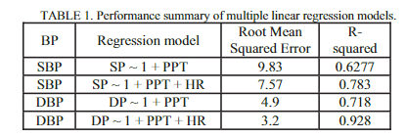
Using Photoplethysmography & ECG Towards a Non-Invasive Cuff less Blood Pressure Measurement Technique | The first set of data (18 patients) was used for modelling and the second set of data (10 patients) was used for performance evaluation. |  |  |  |  | RMSE | ECG, PPG | ML? |  | MIMIC database | Estimates are well with the 95% margin | Using wavelet domain, the slow component in each signal (ECG and PPG) was removed through modified denoising technique. There are several types of wavelet which are different from one another based on symmetry, singularity etc., here bi-orthogonal mother wavelet was chosen because it satisfies the properties which are required for ECG wave.

 |  |  |  |  |  |  |  | Multiple linear regression model with a static PTT features.
 |  |  |  |  |  | Curve fitting model using polynomial regression.

 |  |  |  |  |  | Bland-Altman (BA) plots

 |  |  | In both cases the use of higher order curve fitting show closer fitting but come with complex structure and higher number of coefficients.
Combined deep CNN–LSTM network-based multitasking learning architecture for non-invasive continuous blood pressure estimation using difference in ECG-PPG features | Total of 48 patients on the PhysioNet website, split into 38 patients for training and 10 patients for testing | 30 males, 18 females | average age of the patients was 69.9 (21–92) years |  |  | Indicators used to evaluate the performance of the regression model: Determination coefficient (R2) and MSE | Whole signals were measured from ICU patients, and especially, ABP signals were obtained through invasive methods. | ML | ICU patients who needed intensive care and continuous monitoring | PhysioNet’s original Multi-parameter Intelligent Monitoring for Intensive Care (MIMIC) database, which can be found here; https://www.physionet.org/content/mimicdb/1.0.0/ | The prediction accuracies of SBP and DBP were 0.0 ± 1.6 mmHg and 0.2 ± 1.3 mmHg respectively | To remove motion artifacts and solve the baseline wandering problem, a bandpass filter of 2 Hz to 20 Hz was applied to the ECG signal, and a bandpass filter of 0.5 Hz to 20 Hz was applied to the PPG signal. |  | Potentially

 |  |  | Patients had one of 13 diseases, including bleeding, respiratory failure, congestive heart failure/pulmonary edema, brain injury, sepsis, angina, postoperative valve, postoperative coronary artery bypass graft, cord compression, trauma, renal failure, myocardial infarction, and cardiogenic shock. |  |  | The predicted accuracy of SBP was higher than that of DBP; the R2 values of the predicted SBP and the predicted DBP were 0.980 (p-value < 0.05, Fig. 1A) and 0.967 (p-value < 0.05, Fig. 1B), respectively. Furthermore, the adjusted R2 values were 0.979 and 0.966 for SBP and DBP, respectively. Accordingly, the mean squared errors of SBP and DBP were 2.7 mmHg2 and 1.8 mmHg2, respectively. |  | A deep CNN–LSTM‑based multitasking machine learning model that outputs simultaneous prediction results of systolic (SBP) and diastolic blood pressures (DBP) |  | For training and testing the proposed model, we randomly extracted the dataset during 48 s from each patient. | The SBP and DBP used as the correct answers for supervised learning of the proposed model were 119.2 (94–147) mmHg and 70.8 (56–92) mmHg on average, respectively | Zero padding was applied based on the maximum R–R sequence to compensate for the difference in the data length of the generated R–R sequence due to the change in the R–R interval according to time. |  | Even though the proposed model was assessed with only 10 patients, this result was satisfied with three guidelines, which are the BHS, AAMI, and IEEE standards for blood pressure measurement devices.

 |  |  | 10 patients had congestive heart failure (CHF), which was mainly associated with left ventricular dysfunction. |  |  | Bland-Altman (BA) plots |  | 80% training, 20% testing, 10% used for validation |  | For assessment of overfitting due to the small sample size, we extracted the same size of dataset during other 48 s in a different time interval and the longer dataset during the time interval of the 80 s to 800 s. | There are several limitations to our proposed model. First, the accuracy of long-term monitoring was not verified. For LSTM models, the accuracy may vary depending on the measurement time of the data used27. Accordingly, it is not known whether the accuracy of our proposed model decreases or increases when estimating blood pressure using long-term data from weeks to months. Second, the generalizability of the model was not verified. | The generated ECG and PPG sequences were transformed such that the maximum and minimum were + 1 and − 1, respectively, using the MinMax scaling technique.

 | NOTE: The assessment guidelines we used also required a minimum number of subjects; BHS guidelines and AAMI standard require the report for over 85 subjects, and IEEE standards require over a total of 45 subjects in all phases. |  |  |  |  |  |  |  |  | Sampling frequency - 125 Hz

 |  |  |  |  |  |  |  |  |  | average recording time was 42.7 (10.5–77.4) h.

 |  |  |  |  |  |  |  |  |  | Simultaneously measured signals collected from the PhysioNet database were randomly extracted from each patient to obtain 6000 samples (48 s).
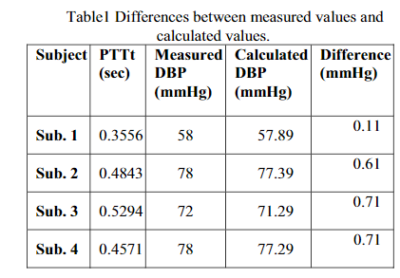
Estimation of blood pressure by using electrocardiogram (ECG) and photo-plethysmogram (PPG) | 4 patients? |  | 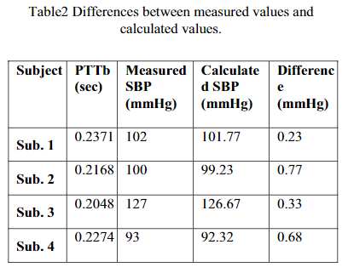 |  | The mean error are 0.29 mmHg for SBP and 0.1mmHg for DBP. These results are satisfied with the regulation of ANSI/AAMI for certification of sphygmomanometer that real measurement error values should be within the mean error of ±5mmHg | MAE |  | Signal Proc + ML? |  |  | It is concluded that the PTT which consists two term as PTTb and PTTt are follows the SBP and DBP respectively. The mean error are 0.29 mmHg for SBP and 0.18mmHg for DBP. So the results are satisfied with the regulation of ANSI/AAMI for certification of sphygmomanometer that real measurement error value should be within the mean error of ±5mmHg.

 | Measured DBP and SBP collected from data from PGI hospital Lucknow. |  |  |  |  |  |  | 1. Korotkoff Method. Sound emitted distally from a partially occluded limb was indicative of arterial flow and that together with the occlusive cuff could be used to determine blood pressure.
 |  |  |  |  |  |  |  | 1. Oscillometric Method. similar to ordinary sphygmomanometer Method, except that small fluctuations in the cuff are measured rather than Korotkoff sounds.
 | Graphs are taken from MIMIC II database |  |  |  |  |  |  | 2. Automated Indirect Method. The pressure cuff is automatically inflated to about 220 mm of Hg and allowed to deflate slowly. The sensor picks up the oscillations from the artery near the surface, just below the compression cuff. The pressure reading at the inset of oscillations represents the systolic pressure.
 |  |  |  |  |  |  |  | 3. PWV method.
 |  |  |  |  |  |  |  | 4. PTT method

 |  |  |  |  |  |  |  | In proposed technique linear regression and fitting tools in MATLAB 7.12.0 (R2011a) are used for finding the relation between systolic blood pressure (SBP) and pulse transit time at bottom level (PTTb). Also used for finding the relation between diastolic blood pressure (DBP) and pulse transit time at top level (PTTt).

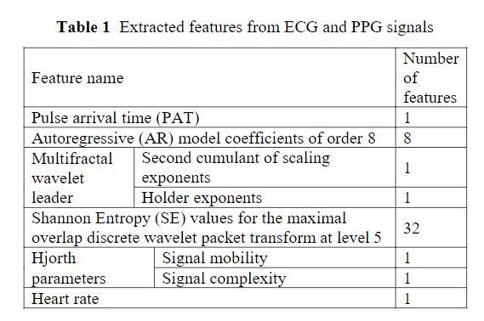
Blood pressure estimation with complexity features from electrocardiogram and photoplethysmogram signals | 14 male volunteers (age: 30 ± 13years; height: 166 ± 15 cm; weight: 62 ± 13 kg) |  |  |  | The most accurate DBP result of 5.15 ± 6.46 mmHg was obtained from ANN model, and SVM generated the most accurate prediction for the SBP which was estimated as7.33 ± 9.53 mmHg. Results for DBP fall within recommended performance of the BHS but SBP is outside the range | mean absolute error (MAE) and the standard deviation (STD) of the predicted results and compared with the recommendations made by the British Hypertension Society (BHS) and Association for the Advancement of Medical Instrumentation (AAMI) | A data acquisition device (Nexus-10 Mark II) converted the analogue signal into digital form before transmitting to a laptop for further processing via Bluetooth. The device is battery-operated to reduce electrical hazard and has a built-in amplifier with low input noise, high input impedance and high common mode rejection ratio. In this research, one bipolar channel was used for ECG measurement with surface electrodes according to lead II configuration. The PPG signal from the fingertip was measured by a Nexus BVP (NX-BVP1A) sensor which consists of red and infra-red light sources and a photo detector to measure relative blood volume through the blood vessels in the finger. | ML | All of the subjects are healthy with no clinically apparent arterial disease or physical abnormality. Four hours prior to the experiment, the subject was asked to avoid drinks that contained caffeine or a heavy meal to prevent a large variability in blood pressure. | Sampling frequency - 256 Hz with 24 bit resolution | BP histograms obtained from the sphygmomanometer data. The SBP and DBP ranged from 97 mmHg to 148 mmHg and 53 mmHg to 108 mmHg respectively. These relatively large ranges can be attributed to the different levels of exercise which the subjects were made to undertake. | The acquired raw PPG signal was then pre-processed by a Chebyshev II bandpass filter with the lower and upper cutoff frequencies of 0.5 and 10 Hz respectively. This procedure was used to remove the noise from the raw PPG signal which in turn increases the signal quality index (SQI) |  | Although initial results are promising, further improvements are required before the potential of this approach is fully realised.

 | 129 datasets were reserved for next step of signal pre-processing. These datasets contained complete ECG, PPG, and systolic and diastolic blood pressure values. |  |  |  |  |  |  | 70% training, 30% testing | The PPG, ECG and BP were measured simultaneously from subjects at successive intervals between pedalling on an exercise bike, this physical exertion would likely result in an increase in BP as the heart rate increases. | duration of the signal recordings ranged from 14seconds to more than 1 minute according to BP acquisition time, 10 seconds of signals are selected foreach group of data and there are 129 groups in total. |  | The raw ECG signal is processed by a Butterworth bandpass filter with cutoff frequencies of 0.5 and 40 Hz to remove the baseline wander, and to suppress spurious data fluctuations due to motion |  | From a broader perspective, it can be concluded that features extracted from the combination of both signals resulted in accurate prediction of both the DBP and SBP by all three models considered. In line with this, the simplicity, ability to be designed as a wearable component, and other practical advantages of the PPG monitoring unit generally make it a viable system that could be adopted for the continual monitoring of BP.
 |  |  |  |  |  |  |  |  |  |  | Extracted features only from ECG. The best performance of the DBP and SBP were respectively obtained from SVM and ANN with corresponding values of 5.48 ± 7.07 mmHg and 8.08 ± 10.47 mmHg.
 |  |  |  |  |  |  |  | Investigate the performance of machine learning models using complexity analysis. Three cases were proposed to predict BP using the features from Table 1:
 |  |  |  |  |  |  |  |  |  | Each measurement experiment took 26 minutes and involved three parts: | Extracted features only from PPG. The predictions obtained from ANN and LASSO resulted in the best performance for DBP and SBP with valuesof5.52±6.73 mmHg and 9.44± 11.63mmHg respectively.
 |  |  |  |  |  |  |  | 1) ECG features alone;
 |  |  |  |  |  |  |  |  |  | (I) the subject stayed still for 6 minutes and the PPG,ECG, and BP were recorded every 2 minutes. | Extracted features from PPG and ECG. the MAE of DBP is similar for each learning method and ANN resulted in the optimal prediction of 5.15 ± 6.46 mmHg. Also, the predicted value of 7.33 ± 9.53 mmHg generated by the SVM was the optimal result for the SBP. it was observed that features extracted from both the ECG and PPG signals resulted in higher prediction accuracy compared to those obtained solely from either ECG or PPG signals
 |  |  |  |  |  |  |  | 2) PPG features alone;
 |  |  |  |  |  |  |  |  |  | (II) the subject cycled at a fixed intensity (108Wwith 60 turns per minute)for 1 minute and rested for another minute. This process was repeated4 times whilst the measurements were taken during the rest periods.
 |  |  |  |  |  |  |  | 3) features from both ECG and PPG as well as PAT.
 |  |  |  |  |  |  |  |  |  | (III) the subject cycled with the same intensity as in (II) for 6 minutes and measurements were recorded every 2 minutes three times after the exercise is completed. Hence, there are 10 sets of data collected from each subject under different states and all data were monitored and recorded through BioTrace+ software (Mind Media B.V. Netherland). Accordingly, there was a total number of 140 sets of data corresponding to PPG, ECG and BP values that were simultaneously recorded in the course of this experiment.

 |  |  |  |  |  |  |  | a simple linear regression model (i.e., Least Absolute Shrinkage and Selection Operator (LASSO) regression model), a strong and nonlinear model (i.e., Support Vector Machine (SVM)) as well as an ANN model were included.

A novel neural network model for blood pressure estimation using photoplethesmography without electrocardiogram | Multiparameter recordings from over 90 ICU patients |  |  |  |  | Residual local squared error for mathematical derivation | The data in each case includes signals and periodic measurements obtained from a bedside monitor, as well as clinical data obtained from the patient’s medical record. | ML | ICU patients | MIMIC database |  |  | The Levenberg-Marquardt algorithm was chosen for training the ANN. In this algorithm, training automatically stops when generalization stops improving, as indicated by an increase in the mean square error of the validation samples.

 |  |  |  |  |  | MAE and relative error used |  | 70% training, 15% validation, 15% testing |  | The recordings vary in length; almost all of them are at least 20 hours, and many are 40 hours or more. In total, the database contains nearly200 patient-days of real-time signals and accompanying data

 |  |  |  |  |  |  |  |  |  | data of ECG (leads I, III, and V),ABP, PAP, PPG, and respiratory signals recorded simultaneously. Only ABP and PPG used in this study

 |  |  |  |  |  |  |  |  |  | Sampling frequency - 125 Hz

 |  |  |  |  |  |  |  |  |  | In total, there are 58,795 valid intervals of PPG signal(subject number is 72) and corresponding BP values for different people and different time instances.

Cuff-Less and Continuous Blood Pressure Monitoring: A Methodological Review | The four |  | 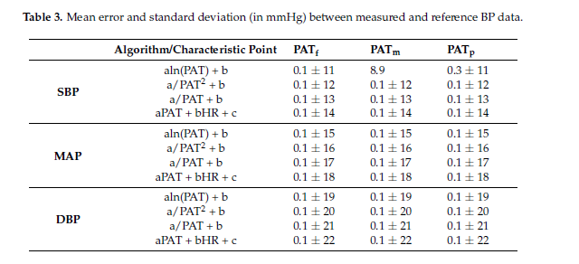 Demographics unavailable |  |  |  | Two-leads ECG, finger PPG, and invasive ABP from one of the radial arteries were recorded at 125 Hz for varied lengths (weeks or more) using a bedside monitor. | Mathematical models which explore relationship between PTT/PAT and BP | ICU patients | Physionet online database. | Using this algorithm, 92.3% |  |  | In general, PTT/PAT-based BP devices have the capability of providing home-based monitoring in
 | algorithms were evaluated using PATf, PATm, and PATp for five adult patients (age > 15) by using |  |  |  |  |  |  |  |  | The database contains time-stamped nurse-verified physiological readings of patients in the intensive care unit at Boston’s Beth Israel Deaconess Medical Center (BIDMC), beginning in 2001 and spanning seven | MAP data is within the interval of 2-SD and 85% of DBP estimates. In case of SBP, though using PATp |  |  | the form of a wearable linked with a smart device and thus mobile-heath (m-health) could be achieved
 | five different PATs and the average of five beat-to-beat ABP values as a reference. |  |  |  |  |  |  | 1. Logarithmic model |  | years | gave better R2, that of PATm delivered a more-agreeable Bland-Altman plot with 96.1% data within the |  |  | with the connection to a cloud-based server. As a result, various approaches, such as the device with
 |  |  |  |  |  |  |  | 2. Proportional (linear) model |  |  | 2-SD interval (Figure 4). For both DBP and MAP, the mean of difference between the invasive BP and |  |  | three chest sensors for PPG, ECG and ICG (impedance cardiogram) underneath a t-shirt, or ECG and
 |  |  |  |  |  |  |  | 3. Inverse Square model |  |  | the one estimated using PAT and HR is small, indicating insignificant bias between the two methods. |  |  | PPG monitoring using circuitry on the toilet seats, beds and steering wheels, have been proposed and
 |  |  |  |  |  |  |  | 4. Inverse model |  |  | Average error and standard difference between the PAT based and the reference value is within AAMI |  |  | Implemented
 |  |  |  |  |  |  |  |  |  |  | standards for both MAP (0 ± 2.12) and DBP (0 ± 2.13) measurements. The SBP measurement has
 |  |  |  |  |  |  |  | data which had at least five-minute long continuous recordings were considered for |  |  | a slightly higher standard difference (1.3 ± 7.02), but it is still within the AAMI standard |  |  | In our group, the replacement of the three-electrode ECG configuration
 |  |  |  |  |  |  |  | investigation |  |  |  |  |  | with a non-contact electrode (NCE) approach for ECG acquisition has been attempted. Different from
 |  |  |  |  |  |  |  |  |  |  | Out of the five |  |  | regular contact-electrode ECG approaches which are dependent on the electrode-skin interface, NCE
 |  |  |  |  |  |  |  |  |  |  | patients, two reported BP higher than 140/80 mmHg |  |  | ECG could be obtained without any effects from the skin (sweat, hair, etc.), thus becoming of interest
 |  |  |  |  |  |  |  |  |  |  |  |  |  | for off-the-clinic measurements. This method can further ease the signal acquisition as ECG data can
 |  |  |  |  |  |  |  |  |  |  |  |  |  | be recorded using a single capacitive-coupling NCE in a specific point within the human body (i.e.,
 |  |  |  |  |  |  |  |  |  |  |  |  |  | wrist), thus holding promise for the realization of unobtrusive home-based BP monitoring wearable
 |  |  |  |  |  |  |  |  |  |  |  |  |  | devices [38]. For instance, this approach can enable BP monitoring during sleeping or exercising
 |  |  |  |  |  |  |  |  |  |  |  |  |  | without any hindrance to the users. Wireless communication via Bluetooth Low Energy (BLE) can be
 |  |  |  |  |  |  |  |  |  |  |  |  |  | utilized to facilitate data collection and transfer locally among wearables for one user and globally
 |  |  |  |  |  |  |  |  |  |  |  |  |  | with a cloud-based server, paving the way for real-time monitoring and diagnoses as well as distanced and
 |  |  |  |  |  |  |  |  |  |  |  |  |  | self-care. However, the communication time among devices needs to be considered as it affects
 |  |  |  |  |  |  |  |  |  |  |  |  |  | directly the calculation of the “Time Delay”

A Novel Non-Invasive Estimation of Arterial Blood Pressure from Electrocardiography and Photoplethysmography Signals using Machine Learning | A maximum of 700 heartbeats per patient were processed and the minimum depended on the signal noise level. Out of the 239 patients, a total of 68,262 heartbeats were processed. | It was not explicit which patients in the DBP were sick and which were healthy, and therefore it would be interesting to have databases that identify the condition of individual patients to create specific models for each group, or to be consider for a transversal model. |  |  |  | MAE, Mean absolute deviation, MSE and correlation between predicted and actual output | This DB contains several waveforms from multiple physiological signals collected from bedside patient monitors in adult and neonatal intensive care units | ML | Bedside patient monitors in adult and neonatal intensive care units | MIMIC II Waveform Database downloaded from Physionet | The best artificial neural network (ANN) scores of mean absolute error with standard deviation were 5.765 ± 6.3891 [mmHg] and 3.0421 ± 3.4764 [mmHg] for systolic and diastolic BP, respectively. With SVM, they were 5.0893 ± 6.4563 [mmHg] and 2.6861 ± 3.6004 [mmHg] for systolic and diastolic BP, respectively | Moving average filter | 9 features extracted from ECG and PPG signals
 |  |  |  |  |  | (Pearson)
 |  |  |  |  |  |  |  | 70% training, 15% validation, 15% testing |  |  |  | Motion-noise detection algorithm | the input matrix for the repressor is a 68,262 (heartbeats) x 9 (features) matrix

 |  |  |  |  |  |  |  | ANN, tanh activation function, Bayesian regularization algorithm |  |  |  | Moving window of 125 samples

 |  |  |  |  |  |  |  | SVM

Non-invasive blood pressure estimation from ECG using machine learning techniques | 51 different subjects |  | 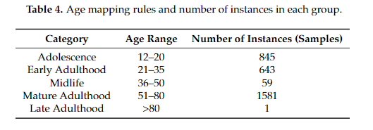 |  |  | MAE, RMSE | The Cooking hacks 3-lead ECG sensor was used to measure the ECG signals of sixteen participants between the ages of 16 and 72. This sensor has been used previously in studies that included monitoring in pre-hospital and in-hospital environments, for related studies as a method development for estimating the pulse transit time and the pulse wave velocity, and has also been esteemed as a valid and reliable low-cost wearable sensor in real environments. Given the available literature, we consider this sensor to be reliable for our research as well. All measurements were performed in a sitting position for a duration of up to 60 s at a sampling rate of 125 Hz, and each ECG signal is accompanied by reference values for the SBP and DBP | ML |  | 129 30-s ECG segments are constructed | Using a train-validation-test evaluation, the method achieves a mean absolute error (MAE) of 8.64 mmHg for SBP, 18.20 mmHg for DBP, and 13.52 mmHg for the MAP prediction. When models are calibrated, the MAE decreases to 7.72 mmHg for SBP, 9.45 mmHg for DBP and 8.13 mmHg for MAP. | Considering lowest frequency of the sensors used is 50 Hz, a band-pass Butterworth filter was applied to the frequencies from 0.3 Hz up to 50 Hz. The threshold of 0.3 Hz was chosen as a reasonable frequency that assures complete baseline removal without deforming the ECG signal | Unlike these approaches, we rely on complexity analysis for representing the information encoded into the ECG signals and model the relation to the SBP, DBP, and MAP values by following a specific ML design. We hypothesize that a normal and healthy biomedical system is highly complex, and once an abnormality occurs, its complexity drops

 |  |  |  |  |  |  | Another three participants between ages of 25 and 27 were recorded using the 180 eMotion FAROS, a 3-lead ECG sensor with a 1000 Hz sampling rate. eMotion FAROS is confirmed to be a medical-grade device for recording ECG . Thus, it has been used in the latest studies investigating sleep disorders and physical activities of preschool children. Every participant was required to keep the sensor attached to his/her chest for at least 4 h during his/her daily activities, measuring the SBP and DBP periodically in times ranging from 30 min to 1 h | 60% training, 30% testing, 10% validation |  |  |  | Empirically it has been proven that 30-ssegments of ECG signal is enough to create robust estimations in the related field of research [55–57] | we selected five metrics as features to model the complexity of the ECG signals: signal mobility, signal complexity, fractal dimension, entropy, and autocorrelation. The features from complexity analysis are invariant to the lead number of the ECG recording.

 |  |  |  |  |  |  | The third sensor used was the Zephyr Bioharness single-lead ECG biosensor at a 250 Hz sampling rate. Zephyr Bioharness has been proven to be a reliable and valid multi-variable monitoring device in several recent studies focused on testing the validity and reliability of the module. Fourteen participants were recorded following the same criteria used for the first case, and 11 additional patients of ages 20–73 were recorded by a physician at the General Hospital in Celje, Slovenia. All participants, excluding the 11 patients recorded at the hospital, had no history of heart problems. Regarding the health status of the 11 patients with heart problem histories, they were reported to suffer from obesity, tachycardia, or myocardial infarction. The measurements of the healthy participants were performed by volunteers working in our group and by ourselves, whereas the measurements in the hospital were taken by a physician—an anaesthesiologist. | The data preprocessing was carried out by data segmentation and labeling. To enable ECG signals labeling, the continuous arterial BP recording was divided into intervals of 30 s, and the values were transformed into single SBP and DBP values. For the discrete BP measurements, no preprocessing was needed and their values were immediately matched to the corresponding ECG signal.

 |  |  |  |  |  |  | The fourth dataset is composed by recordings obtained from the Charis Physionet database. Those measurements were taken by physicians and using hospital equipment, including routinely employed clinical monitors for the multi-channel ECG recordings and an indwelling catheter for the blood pressure measurements, in the surgical intensive care unit of the Robert Wood Johnson Medical Center at Rutgers University. We obtained ECG and arterial BP recordings for seven patients between the ages of 20 and 74 with traumatic brain injuries. | We grouped the neighbouring classes to represent three BP states [37]: normal, prehypertension and hypertension. The grouping provided more balanced classes for the ML classification method. The column “Grouped” presents the group to which each label belongs. For example, there are 25 instances with SBP590 or DBP560 that belong to the category HPTN. These instances were joined with the instances from category “N” to form the first class (class 0 in Table 3)

 |  |  |  |  |  |  |  | referred to as 0 (normal), 1 (prehypertension) and 2 (hypertension).

 |  |  |  |  |  |  |  | The number of participants is not related to the overall number of instances, since more measurementshave been taken for some participants than others.
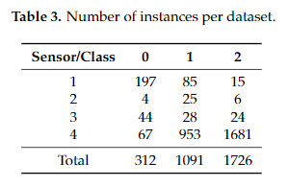

 |  |  |  |  |  |  |  | The classification is implemented by following a stacking ML design. The stacking module involves a training of seven different algorithms that can model different structures in the data. We used:

 |  |  |  |  |  |  |  | 1.KNN—to consider inter-instance similarity;
 |  |  |  |  |  |  |  | 2.J48—to consider the information gain of the features;
 |  |  |  |  |  |  |  | 3.Naive Bayes—to consider strong independence between the features;
 |  |  |  |  |  |  |  | 4.SVM—to recognize the most distinguishable feature vectors;
 |  |  |  |  |  |  |  | 5.Random Forest—to combine multiple models built on varying features set in an ensemble;
 |  |  |  |  |  |  |  | 6.Bagging—to introduce dataset sub-sampling as a way of reducing the variance of the J48 algorithm; and
 |  |  |  |  |  |  |  | 7.Boosting—to introduce instance weighting in the dataset for addressing the mis-recognized instances.

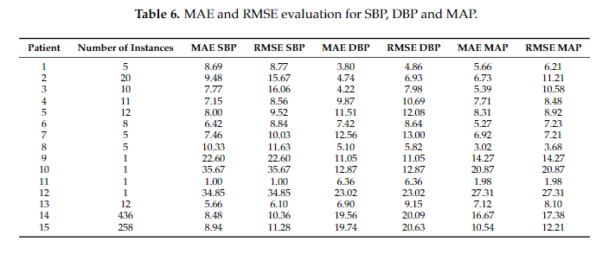

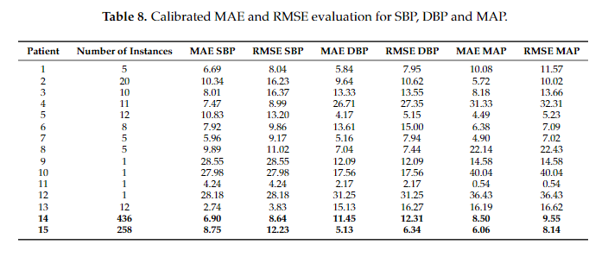

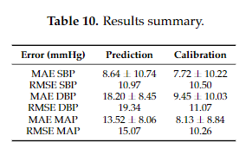

ECG-derived blood pressure classification using complexity analysis-based machine learning | 20 subjects, 16 for e-Health sensor and 4 for FAROS | Same as previous paper | No history of heart problems |  |  |  | ECG | ML |  |  | 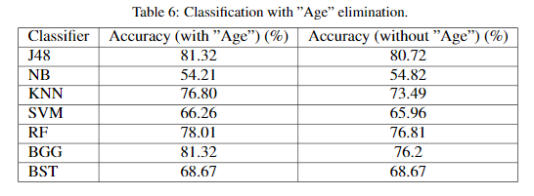 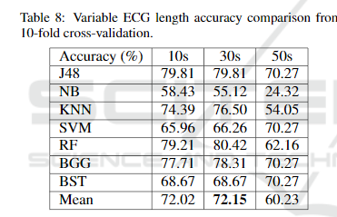 We show that high classification accuracy of 96.68% can be achieved by extracting information via complexity analysis on the ECG signal followed by applying a stack of machine-learning classifiers. which is for 15.36% improvement when compared to the best accuracy obtained by the flat ML design, or 36.36 percentage points improvement compared to the majority class. | A valid ECG information is considered to exist in range of 0.05 - 100Hz (Rangayyan, 2015).

 |  |  |  |  |  |  | Just using first two sensors from previous paper | Same classifiers as previous paper
 |  |  |  |  |  |  |  |  |  |  |  | Those ECG signals were filtered by ap-plying a low-pass Butterworth filter of 18th order and cutoff frequency of 100Hz. The order of the filter was optimally determined based on the filter design specifications. All the signals were trimmed by taking only the last 30 seconds before the BP measurement.

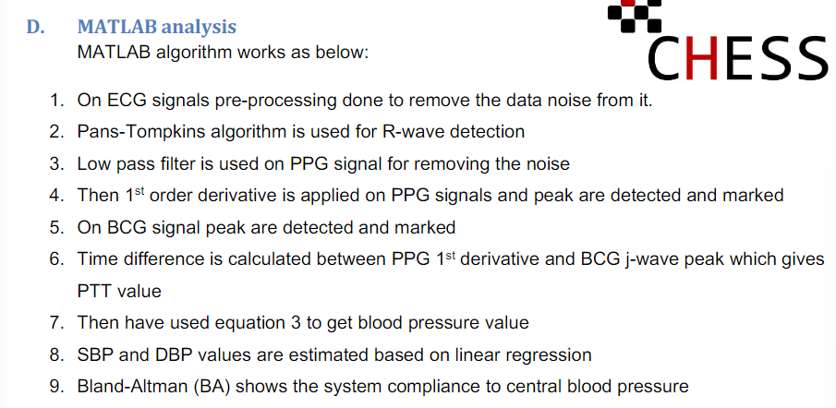
Wireless chest wearable vital sign monitoring platform for hypertension | 11 normotensive subjects | 9 males, 2 females |  |  |  |  | For ECG data acquisition, we have used medlab ECG module, EG04000, is interfaced over universal asynchronous receive and transmit (UART) port. For data transmission, we have used the Broadcom BCM20737s system on a chip which has a cortex-M series micro-controller (MCU) and used as a master controller of the belt. ECG module is interfaced to UART of MCU at 115,200 baud rate with level shifter as BLE MCU works at 1.8V and ECG module works at 3.3V.Piezoelectric sensor by Measurement Specialist is interfaced with charge and voltage mode circuitry to MCU analog-to-digital converter (ADC). | ML

 |  |  |  |  |  |  | For PPG data acquisition, we have used OSRAM optics module, SFH7050 is interfaced to Texas Instrument (TI) analog front end AFE443. AFE4403 is suitable for pulse oximetry front as it can drive the LED and have a trans-impedance amplifier for the light sensor. Also, AFE4403 equipped with a programmable amplifier for gain controls. AFE is interfaced to TI MSP430 MCU which is secondary MCU (SMCU). SMCU configures PPG and waits for signals from MCU for data acquisition. SMU is an interface to Fujitsu MB85RC256V 256K flash over the Serial peripheral interface (SPI) to store data.

A review of machine learning techniques in photoplethysmography for the non-invasive cuff-less measurement of blood pressure | Teng and Zhang: 15 healthy male subjects aged 24-30 |  |  |  |  |  | Hassan et al: | ML |  |  | Teng and Zhang:
 |  |  |  |  |  |  | PPG and ECG signals were collected from 10 healthy subjects |  |  |  | The mean error and standard deviation between the estimated BP values and the reference BP values were 0.21 ± 7.32 mmHg and 0.02 ± 4.39 mmHg for SBP and DBP respectively.
 | Hassan et al: 10 healthy subjects |  |  |  |  |  | with BP reference values measured by a sphygmomanometer with a cuff attached to the subject’s right arm. The peripheral pressure pulses were measured at the fingertip using a PPG sensor. Both PPG and ECG were recorded simultaneously for 45 seconds sampled at 1 kHz using AD instruments followed by the calculation of the PTT values.
 |  |  |  |  |  |  |  |  |  |  | Hassan et al.:
 | Wong et al: |  |  |  |  |  | Wong et al.: |  |  |  | The results were below 5±8 mmHg error rate set by the AAMI but evaluated on a very small dataset of 10 all male subjects while the AAMI requires at least 85. Having a diverse range of BP values that truly represent the population (males and females from different age range) would increase model generalisation for accurate BP monitoring.
 | investigated the correlation between BP and PTT under different circumstances i.e. pre-exercise, post-exercise, etc. 14 normotensive subjects with no history of cardiovascular disease using LS regression. |  |  |  |  |  | The authors designed an in-house circuitry to detect the derivative of the ECG (dECG) and PPG. The dECG and PPG were |  |  |  | PPG features have also been proved to correlate favourably with BP, thus including PPG features would improve the model’s generalisation.
 |  |  |  |  |  |  | sampled by an analogue to digital converter (ADC) at 1 kHz and brachial BP was recorded intermittently on the subject’s right arm with an automatic BP monitor. Beat-to-beat PTT parameter was calculated from the peak of the dECG to the peak of the PPG derivative. Two tests were carried out using the same model coefficient six
 | Suzuki and Oguri: Measuring SBP using only a PPG sensor. |  |  |  |  |  | months apart. |  |  |  | Wong et al.:
 | SBP was estimated using error-correcting output coding method based on an aggregation of AdaBoost as a binary |  |  |  |  |  |  |  |  |  | The mean error and standard deviation resulted from the aforementioned experiment were 1.4 ± 10.2 mmHg for SBP and 2.1 ± 7.3 mmHg for DBP. This drawback is due to the fact that PTT requires calibration when the blood pressure baseline changes between different subjects. Additionally, the least-square regression cannot estimate both SBP and DBP simultaneously and requires implementing two different models to learn each objective separately. As mentioned previously, these two objectives are correlated and thus should be estimated using
 | classifier machine. This method was evaluated on 368 volunteers. |  |  |  |  |  | Ruiz-Rodriguez et al.: Collected their PPG signals through pulse oximetry with reference to invasive BP values. PPG and BP measurement devices were attached to a processing module connected to a General Electric(GE) Datex Ohmeda device. The signals were recorded for a period of 30 min. Each 30 min signals were then segmented into 10 s frames. |  |  |  | one model to improve the estimation precision. Also, this technique
 |  |  |  |  |  |  |  |  |  |  | requires two sensors for measuring the PTT parameters. It has been
 | Ruiz-Rodriguez et al.: |  |  |  |  |  |  |  |  |  | shown in the literature that the PTT parameters expire one day after
 | continuous cuff-less |  |  |  |  |  |  |  |  |  | the initial calibration which in turn would increase the estimation
 | BP monitoring using a deep neural network, namely, Deep Belief |  |  |  |  |  |  |  |  |  | error. For all these reasons, this technique is not reliable for
 | Network- Restricted Boltzmann Machine (DBN-RBM). DBN-RBM belongs to a family of networks that build probabilistic generative models. |  |  |  |  |  |  |  |  |  | long term continuous BP monitoring.

 |  |  |  |  |  |  |  |  |  |  | Suzuki and Oguri:
 |  |  |  |  |  |  |  |  |  |  | The mean error and standard deviation were 1.2 ± 11.7 mmHg. Hence, the results were highly variable, did not satisfy the AAMI requirements and could only provide intermittent SBP measurement. Moreover, although AdaBoost is a non-linear function, it is not appropriate for time domain analysis and for handling the complexity of the task, therefore, its accuracy will decrease for multiday BP estimation. Additionally, the feature set is relatively small and should be enhanced further for effectively modelling the relationship between PPG features and BP.

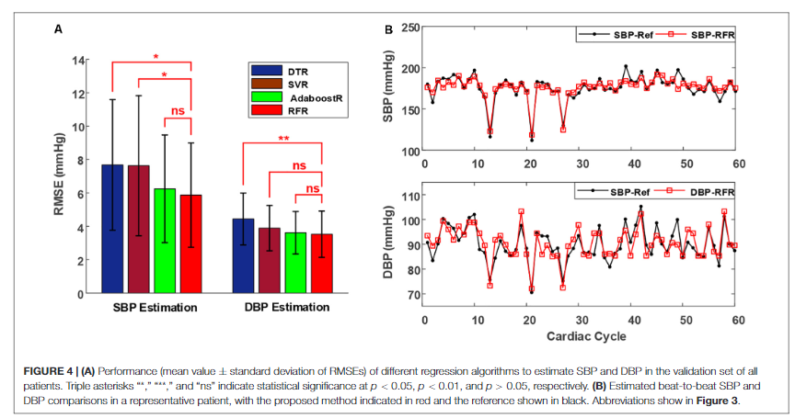
 |  |  |  |  |  |  |  |  |  |  | Ruiz-Rodriguez et al.: the results of SBP, DBP and mean arterial pressure (MAP) predictions were highly variable which in turn causes the standard deviation to exceed 8 mmHg limit imposed by standards of the AAMI. It was stated that the high variability might be influenced by the respiratory variability in the PPG signals. Also, the PPG processing module significantly affected the results since it changes the shape of the obtained PPG pulse. The results of this study might be improved by providing a feed-back link from previous cycles to the input layer to account for the temporal dependencies in the PPG features.
Continuous Blood Pressure Estimation From Electrocardiogram and Photoplethysmogram During Arrhythmias | Thirty-five clinically stable patients (15 with ventricular arrhythmias and 20 with supraventricular arrhythmias) who had undergone radiofrequency ablation | Patients at FuWai Hospital, Chinese Academy of Medical Sciences |  |  |  | RMSE | a multi-parameter monitoring system(BeneVision N12, Shenzhen Mindray Bio-Medical Electronics, China) was used to acquire synchronous ECG, PPG, and invasive BP (IBP) signals for each patient in the supine position. The sampling rate for ECG, PPG, and IBP collection was set to250 Hz. ECG and PPG signals were acquired using I-lead ECG electrodes placed on the left and right arms and the right leg, and a PPG sensor was placed on the left index finger. For IBP monitoring, an arterial catheter was inserted into the right femoral artery and then connected to the N12 monitor. Calibration to atmospheric zero was performed before initiation of each recording by opening the pressure transducer of the catheter to atmospheric pressure. ECG, PPG, and IBP waveform recordings were taken for at least 10 min. | ML |  |  | The results showed that the mean value ± standard deviation of root mean square error for the estimated systolic BP (SBP), diastolic BP (DBP) with the RFR model against the reference in all patients were 5.87±3.13 and 3.52±1.38 mmHg, respectively, which achieved the best performance among all the models. Furthermore, the mean error ± standard deviation of error between the estimated SBP and DBP with the RFR model against the reference in all patients were −0.04±6.11and 0.11±3.62 mmHg, respectively, which complied with the Association for the Advancement of Medical Instrumentation and the British Hypertension Society (Grade A) standards.

 | Age: 43.87±14.01 years;20 were men |  |  |  |  | Mean Error |  | 60% training, 20% testing, 20% validation

 | Invasive technique as gold reference |  |  |  |  | MAE |  | Decision Tree Regression (DTR): decision trees are supervised machine learning models for predicting a target in the form of a tree structure, which consists of many nodes and branches (Quinlan, 1986). When the target variable of a decision tree is continuous, the model is called DTR. In this study, a DTR model was trained using a built-in function (Decision Tree Regressor) with default parameters from the Scikit-learn library.

 |  |  |  |  |  | Correlation coefficient (r-value) |  | (2) Support vector machine regression (SVR): support vector machines also belong to supervised learning algorithms. They can efficiently perform classification or solve a regression problem by non-linearly mapping input feature vectors into higher dimensional spaces by using a kernel function, such as radial basis function (RBF), polynomial function, and Sigmoid function (Awad and Khanna, 2015). In this study, an SVR function with RBF kernel in the Scikit-learn library was used for training and testing the BP estimation model. The penalty parameter and kernel parameter for each patient were selected through an exhaustive grid search (Lee and Lin, 2000).

 |  |  |  |  |  |  |  | (3) Adaptive Boosting Regression (AdaboostR): AdaboostR, in contrast to the SVR, is an ensemble learning algorithm that creates a strong estimator from many weak estimators(e.g., decision trees). In AdaboostR, the predictions of weak estimators are combined into a weighted sum that represents the final prediction (Freund et al., 1999). Compared with other complex and strong models, AdaboostR models are less prone to overfitting (Kachuee et al., 2017). For training the regression model, an AdaboostR function (AdaBoost Regressor) with default parameters in the Scikit-learn library was used.

 |  |  |  |  |  |  |  | (4) Random forest regression(RFR): Random forests are another popular ensemble method, where the final prediction is the composite outcome from many weak estimators (Breiman, 2001). Compared with the AdaboostR, the base estimators in the random forest are trained independently, so the random forest models require less training process (Liaw and Wiener, 2002).Moreover, random forests have the advantage of measuring the importance of variables (Cutler et al., 2012). Here, an RFR function (Random Forest Regressor) with 50 trees and other default parameters in the Scikit-learn library(Pedregosa et al., 2011) was used for model training. Then the feature scores returned by the trained model were used to evaluate the importance of the extracted features.

